Precedent Calculator
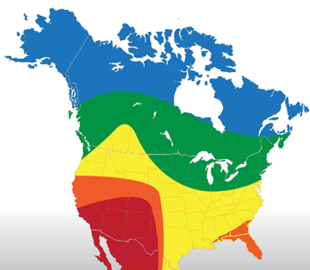
1
These must add up to 100%
CUSTOMER INPUTS
Current Fleet Size (# of Units): | 500 |  |  | % Flooded Batteries (Reliamax) used in Fleet | 100
TradeCycle (# Years Reefer is Kept) | 7 |  |  | % AGM Batteries (EON) used in Fleet | 0
How many hrs per year do your reefer units run? | 2000 |  |  | On average, how many months do your Flooded (Reliamax) batteries last? (If not Applicable, leave blank) | 18
2
Per map to the right, which region do the units operate in? * If in multiple regions, choose the most used | 3 |  |  | On average, how many months do your AGM (EON) batteries last? (If not Applicable, leave blank)
5
4
3
What do you pay for diesel fuel per gallon? | $5.00 |  |  | What unit type is the panel going on? | Precedent
4
What is the cost per hour of asset downtime? *Industry average is $125/hr | $125 |  |  | Recommended Panel Size and Part Number | 30W (401414)
How many hours of downtime do your drivers experience during each battery failure *Industry average is 4hrs | 4 |  |  | Quoted Solar Full Customer Install Cost / after 26% Federal Tax Credit | $450 | $333
SAVINGS OUTPUTS
Flooded (Reliamax) battery life improvement (months) | 17 | *Additional life gained on this battery based on historical field data on national fleets
AGM (EON) battery life improvement (months) | N/A | *Additional life gained on this battery based on historical field data on national fleets

Annual Asset Uptime Revenue Improvement Per Unit | $160 | *Calculated using battery uptime improvement x downtime cost x downtime hrs

Annual Battery Cost Savings per Unit | $104 | *Calculated based on battery life improvement resulting in less annual battery replacements *Includes estimated battery unit cost & average labor time & rate

Annual Cycle Sentry Fuel Savings Per Unit | $176 | *Results from less Cycle Sentry Battery Charging Runtime per national fleet data

Annual Engine Load Fuel Savings | $42 | *Results from greater fuel efficiency due to less engine load to charge battery

 | Low Estimate (-30%) | Average Estimate | High Estimate (+30%)
Annual Per Unit Cost Savings | $337 | $482 | $626 | *Downtime improvement + battery cost savings + fuel savings
Annual Fleetwide Revenue and Cost improvement | $168,547 | $240,781.66 | $313,016 | *Annual improvement x fleet size
Net Savings Over Life of Unit | $2,127 | $3,037.94 | $3,949 | *Annual Improvement x Tradecycle - Solar install cost
Solar Installation Payback Period (months) | 12 | 8 | 6
CALCULATOR NOTES
Calculator based on high asset utilization. Extended unit off time will severely reduce battery life and greatly increase the solar value proposition beyond these results.
Above figures do not include benefits of improved customer satisfaction and driver retention due to asset uptime & reliability
A solar charger will generally prevent the need for greater than 37amp alternator
ENVIRONMENTAL SAVINGS
Fleetwide Lbs of Lead Saved Annually: |  | 9,583
Fleetwide Gallons of Fuel Saved Annually: |  | 21,770
Lbs of CO2 Emissions Saved Annually: |  | 489,830

